DATA MANGER
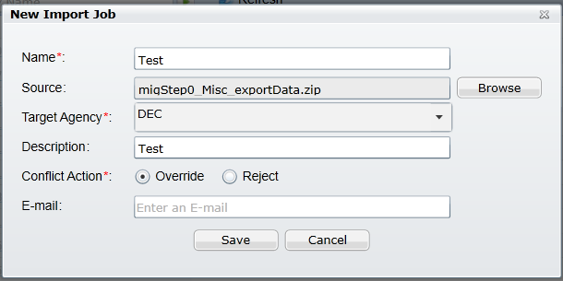
 | Navigation
1 | Select V360 Admin
2 | Select AA Admin
3 | Select Data Manager
4 | Create New Import Job for each given export (See picture)
5 | Set Schedule in Future (See picture)
6 | Run Import Job in given Sequence

 | Sequence of run for each export
 | 1. migStep12_LIC_MASTER_exportData
 | 2. migStep5_Scripts_exportData
 | 3. migStep9_IncludeScripts_exportData
 | 4. migStep13_VU_exportData
 | 5. migStep7_Transfer_exportData
 | 6. migStep1_RecType_Express_exportData
 | 7. migStep3_Expression_Express_exportData
 | 8. migStep3b_Expression_Express_exportData
 | 9. migStep6_StdChoice_Express_exportData
 | 10. migStep8_DmpCorrection_exportData
 | 11. migStep11_LegacyLoad_exportData
 | 12. migStep14_New_Register_exportData

ACA Print Summary Portlet
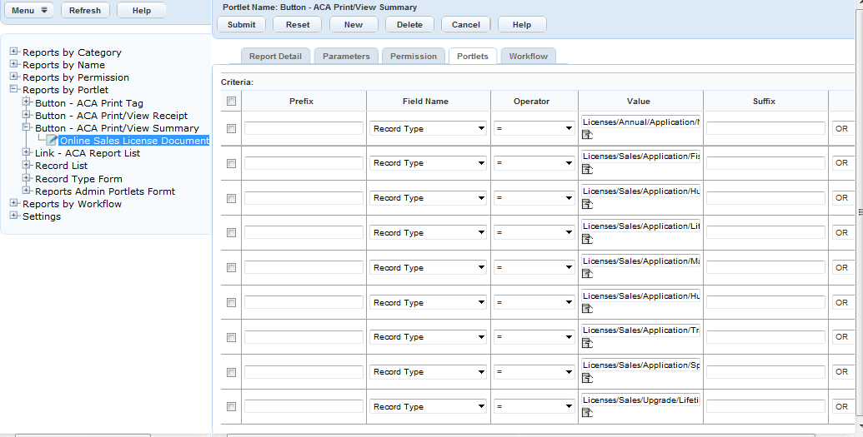
Licenses/Sales/Application/Fishing
Licenses/Sales/Application/Hunting
Licenses/Sales/Application/Hunting and Fishing
Licenses/Sales/Application/Lifetime
Licenses/Sales/Application/Marine Registry
Licenses/Sales/Application/Sporting
Licenses/Sales/Application/Trapping
Licenses/Annual/Application/NA
Licenses/Sales/Upgrade/Lifetime

